PCC_OCS
Testcase ID | Summary | Test Data | Pre_Condition | Steps | Expected Result | Actual Result | Status | Remarks
Prepaid Broadband User
PCCOCS_01 | For "Prepaid Broadband" User Verify the following: 1. "Internet TopUp Up packages" are not appearing on Quota Top Up page 2. Usage Information section is appearing on Quota Top Up page | MSISDN number of "Prepaid Broadband" User required, 01116206539 |  | 1.Login to OCS as a "Prepaid Broadband" User 2.Click on Quota Top Up link 3.Check "Internet TopUp Up packages" are not appearing 4.Check that Usage Information section is appearing | 3. Internet TopUp Up packages should not appear on Quota Top Up page 4. Usage Information section should appear on Quota Top Up page |  | PASSED
Prepaid Internet
PCCOCS_02 | For "Prepaid Internet" User Verify the following: 1. "Internet TopUp Up packages" are not appearing on Quota Top Up page 2. Usage Information section is appearing on Quota Top Up page | MSISDN number of "Prepaid Internet" User required, 01116206526 |  | 1.Login to OCS as a "Prepaid Internet" User 2.Click on Quota Top Up link 3.Check "Internet TopUp Up packages" are not appearing 4.Check that Usage Information section is appearing | 3. Internet TopUp Up packages should not appear on Quota Top Up page 4. Usage Information section should appear on Quota Top Up page |  | PASSED
Prepaid Voice with any Internet Plan
PCCOCS_03 | For "Prepaid Voice with any Internet Plan" User Verify the following on Quota Top Up page : 1.Internet Top Up packages are grouped as: a. Internet Roaming Packages b. Domestic Internet Packages . | MSISDN number of "Prepaid Voice with any Internet Plan" User required, 01116206501 |  | 1.Login to OCS as a "Prepaid Voice with any Internet Plan" User 2.Click on Quota Top Up link 3.Check that Internet Top Up packages are grouped as: a. Internet Roaming Packages b. Domestic Internet Packages . | 3.For a 'Prepaid Voice with any Internet Plan' user on Quota Top Up page,Purchase Internet Top Up packages should be grouped as: a. Internet Roaming Packages b. Domestic Internet Packages . |  | PASSED
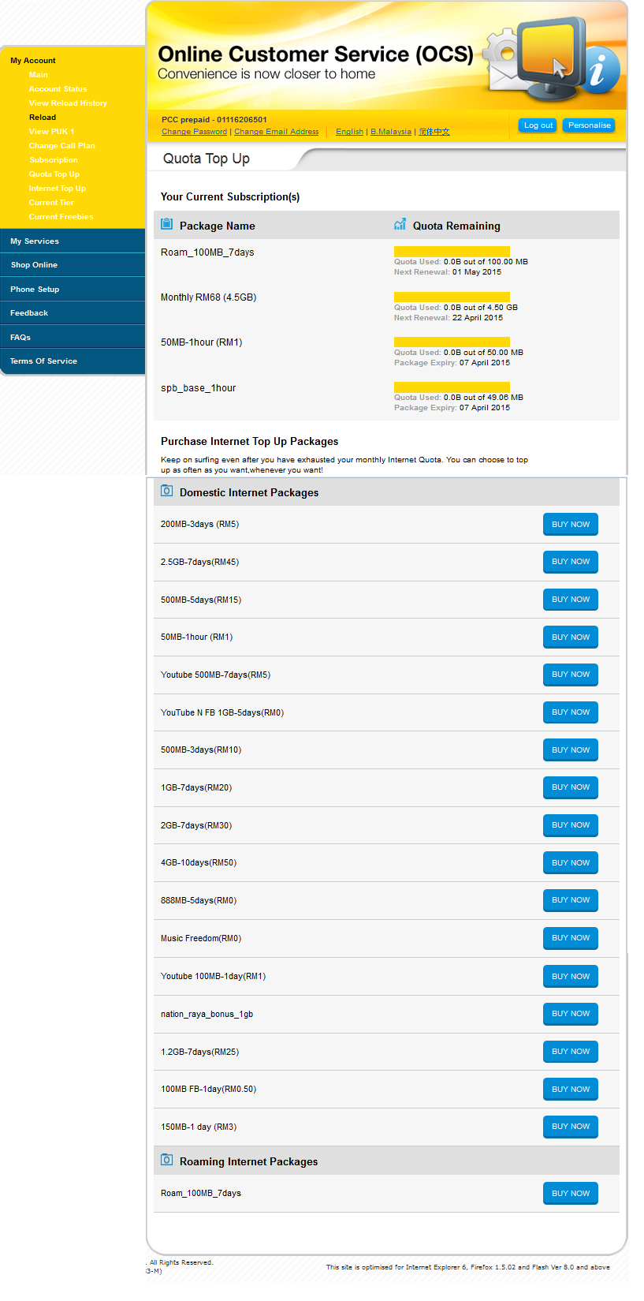
PCCOCS_04 | Verify on "Your Active Subscription(s)" section on Quota Top up page ,User would be able to view Query Base plan / QTU / SSQ3 (filter by customerAttribute) |  | User is already logged in Into OCS as a "Prepaid Voice with any Internet Plan" User | Repeat steps 1 and 2 from PCCOCS_03 1. Send SOAP request with MSISDN of Voice with any Internet Plan. 2. In the response received check "customerAttribute" for same MSISDN. 3. Check the "ResetDate" for Query Base plan and QTU and check that the Next Renewal Date and Package Expiry date is appearing on UI. | 2. Following customer attribute range should appear for Domestic and Roaming: a.For Domestic customerAttribute range is within 1000-9000. b. For Roaming, customerAttribute range is within 10000-12000. 3. Correct "Next Renewal Date" and "Package Expiry date" should appear on UI as per below Logic:- a. In response received: If ResetDate is not null then “Next Renewal Date: <ResetDate>” should appear on UI. b. In response received: If ResetDate is null then “Package Expiry: <EndDate>”. should appear on UI. |  | 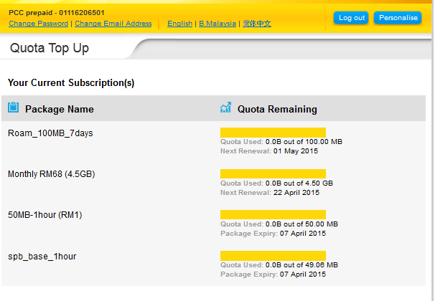 PASSED
PCCOCS_05 | Verify on filtered QTU packages,User would be able to view Purchase QTU filtered by CatalogItemID. |  | User is already logged in Into OCS as a "Prepaid Voice with any Internet Plan" User | Repeat steps 1 and 2 from PCCOCS_03 1.Send SOAP request with MSISDN of Voice with any Internet Plan. 2. In the response received check the CatalogItemID" and check the respective QTU appearance in UI. | 2. QTU with following "CatalogItemID" should appear in "Domestic Internet Packages" group:- Prepaid: 83891, 14344 Postpaid: 19381, 19383, 14342 "Internet Roaming Packages" group:- Note:: ID's are not yet available from client side |  | PASSED
PCCOCS_06 | Verify that user is able to Buy Domestic QTU Package successfully from Quota Top UP page |  | User is already logged in Into OCS as a "Prepaid Voice with any Internet Plan" User | Repeat steps 1 and 2 from PCCOCS_03 1.Click on 'Buy Now' button for Internet Domestic Internet Package. 2.Check that customer is able to perform the Top up purchase for the selected package and Thank You Page appears after successful purchase. | 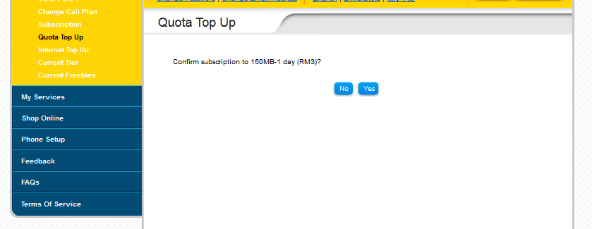 2.User should be able to purchase Domestic Internet Package from Quota Top UP page successfully and Thank you page should appear after purchase. |  | PASSED
PCCOCS_07 | Verify that user is able to Buy Roaming QTU Package successfully from Quota Top UP page |  | User is already logged in Into OCS as a "Prepaid Voice with any Internet Plan" User | Repeat steps 1 and 2 from PCCOCS_03 1.Click on 'Buy Now' button for Roaming QTU Package. 2.Check that customer is able to perform the Top up purchase for the selected package and Thank You Page appears after successful purchase. | 2.User should be able to purchase Roaming QTU Package from Quota Top UP page successfully and Thank you page should appear after purchase. |  | N/A | Not able to purchase it as it's not ready at PCC.
PCCOCS_08 | Verify that Internet Top Up Usage Information is appearing on Quota Top Up page with following info: a)Internet Plan Type (Prepaid Voice with any Internet Plan) b)Quota Remaining (Quota used,Next Renewal,Package Expiry) |  | User is already logged in Into OCS as a "Prepaid Voice with any Internet Plan" User | Repeat steps 1 & 2 from PCCOCS_03 1.Check the Internet Usage Information is appearing | 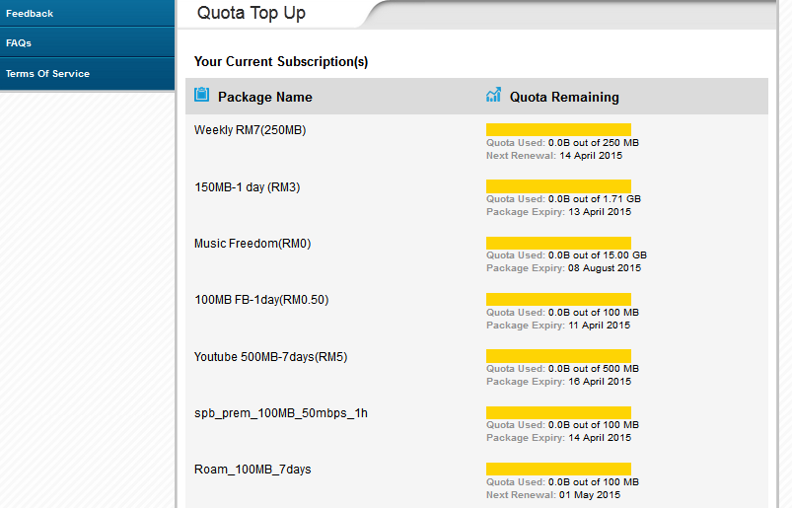 1.Internet usage Information should appear on Quota Top Up page as below:- a)Internet Plan type (Prepaid Voice with any Internet Plan) b)Quota Remaining (Quota used,Next Renewal,Package Expiry) |  | PASSED
PCCOCS_09 | Verify that existing frontend will remain same on Usage Info Page with following Info:- a)Internet Quota b)Usage this month c)Available Quota d)Last Updated on |  | User is already logged in Into OCS as a "Prepaid Voice with any Internet Plan" User | 1.Login to OCS 2.Click on Usage Info link 3.Check that existing frontend will remain same on Usage Info Page | 3.Existing frontend should remain same on Usage Info Page with following Info:- a)Internet Quota b)Usage this month c)Available Quota d)Last Updated on |  | PASSED
Voice with Internet
PCCOCS_010 | For "Voice with Internet" User Verify the following on Quota Top up page: 1.Internet Top Up packages are grouped as: a. Internet Roaming Packages b. Domestic Internet Packages . | MSISDN number of "Voice with Internet" User required, 01116206502 |  | 1.Login to OCS as a "Voice with Internet" User 2.Click on Quota Top Up link 3.Check that Internet Top Up packages are grouped as: a. Internet Roaming Packages b. Domestic Internet Packages . | 3.For a "Voice with Internet" user on Quota Top Up page,Purchase Internet Top Up packages should be grouped as: a. Internet Roaming Packages b. Domestic Internet Packages . |  | PASSED
PCCOCS_011 | Verify on "Your Active Subscription(s)" section on Quota Top up page ,User would be able to view Query Base plan / QTU / SSQ3 (filter by customerAttribute) |  | User is already logged in Into OCS as a "Voice with Internet" User | Repeat steps 1 and 2 from PCCOCS_010 1. Send SOAP request with MSISDN of 'Voice with Internet user'. 2. In the response received check "customerAttribute" for same MSISDN. 3. Check the "ResetDate" for Query Base plan and QTU and check that the Next Renewal Date and Package Expiry date is appearing on UI. | 2. Following customer attribute range should appear for Domestic and Roaming: a.For Domestic customerAttribute range is within 1000-9000. b. For Roaming, customerAttribute range is within 10000-12000. 3. Correct "Next Renewal Date" and "Package Expiry date" should appear on UI as per below Logic:- a. In response received: If ResetDate is not null then “Next Renewal Date: <ResetDate>” should appear on UI. b. In response received: If ResetDate is null then “Package Expiry: <EndDate>”. should appear on UI. |  | PASSED
PCCOCS_012 | Verify on filtered QTU packages,User would be able to view Purchase QTU filtered by CatalogItemID. |  | User is already logged in Into OCS as a "Voice with Internet" User | Repeat steps 1 and 2 from PCCOCS_010 1. Send SOAP request with MSISDN of 'Voice with Internet user'. 2. In the response received check the CatalogItemID" and check the respective QTU appearance in UI. | 2. QTU with following "CatalogItemID" should appear in "Domestic Internet Packages" group:- Prepaid: 83891, 14344 Postpaid: 19381, 19383, 14342 "Internet Roaming Packages" group:- Note:: ID's are not yet available from client side |  | PASSED
PCCOCS_013 | Verify that user is able to Buy Domestic QTU Package successfully from Quota Top UP page |  | User is already logged in Into OCS as a "Voice with Internet" User | Repeat steps 1 and 2 from PCCOCS_010 1.Click on 'Buy Now' button for Internet Domestic Internet Package. 2.Check that customer is able to perform the Top up purchase for the selected package and Thank You Page appears after successful purchase. | 2.User should be able to purchase Domestic Internet Package from Quota Top UP page successfully and Thank you page should appear after purchase. |  | PASSED
PCCOCS_014 | Verify that user is able to Buy Roaming QTU Package successfully from Quota Top UP page |  | User is already logged in Into OCS as a "Voice with Internet" User | Repeat steps 1 and 2 from PCCOCS_010 1.Click on 'Buy Now' button for Roaming QTU Package. 2.Check that customer is able to perform the Top up purchase for the selected package and Thank You Page appears after successful purchase. | 2.User should be able to purchase Roaming QTU Package from Quota Top UP page successfully and Thank you page should appear after purchase. |  | N/A | Not able to purchase it as it's not ready at PCC.
PCCOCS_015 | Verify that Internet Top Up Usage Information is appearing on Quota Top Up page with following info: a)Internet Plan Type (Voice with Internet) b)Quota Remaining (Quota used,Next Renewal,Package Expiry) |  | User is already logged in Into OCS as a "Voice with Internet" User | Repeat steps 1 & 2 from PCCOCS_010 1.Check the Internet Usage Information is appearing | 1.Internet usage Information should appear on Quota Top Up page as below:- a)Internet Plan type (Voice with Internet) b)Quota Remaining (Quota used,Next Renewal,Package Expiry) |  | PASSED
PCCOCS_016 | Verify that existing frontend will remain same on Usage Info Page with following Info:- a)Internet Quota b)Usage this month c)Available Quota d)Last Updated on |  | User is already logged in Into OCS as a "Voice with Internet" User | 1.Login to OCS 2.Click on Usage Info link 3.Check that existing frontend will remain same on Usage Info Page | 3.Existing frontend should remain same on Usage Info Page with following Info:- a)Internet Quota b)Usage this month c)Available Quota d)Last Updated on |  | PASSED
PAYU
PCCOCS_017 | For "Pay U" User Verify the following: 1. "Internet TopUp Up packages" are not appearing on Quota Top Up page 2. Usage Information section is not appearing on Quota Top Up page | MSISDN number of "Pay U" User required, 01116206503 |  | 1.Login to OCS as a 'Pay U' User 2.Click on Quota Top Up link 3.Check "Internet TopUp Up packages" are not appearing 4.Check that Usage Information section is not appearing | 3. Internet TopUp Up packages should not appear on Quota Top Up page. 4. Usage Information section should not appear on Quota Top Up page. |  | PASSED
DIGI Best Prepaid
PCCOCS_018 | For "DIGI Best Prepaid" User Verify the following on Quota top up page: 1.Internet Top Up packages are grouped as: a. Internet Roaming Packages b. Domestic Internet Packages . | MSISDN number of "DIGI Best Prepaid" User required, 01116206504 |  | 1.Login to OCS as a "DIGI Best Prepaid" User 2.Click on Quota Top Up link 3.Check that Internet Top Up packages are grouped as: a. Internet Roaming Packages b. Domestic Internet Packages . | 3.For a "DIGI Best Prepaid"user on Quota Top Up page,Purchase Internet Top Up packages should be grouped as: a. Internet Roaming Packages b. Domestic Internet Packages . |  | PASSED
PCCOCS_019 | Verify on "Your Active Subscription(s)" section on Quota Top up page ,User would be able to view Query Base plan / QTU / SSQ3 (filter by customerAttribute) |  | User is already logged in Into OCS as a "DIGI Best Prepaid" User | Repeat steps 1 and 2 from PCCOCS_018 1. Send SOAP request with MSISDN of"DIGI Best Prepaid" User. 2. In the response received check "customerAttribute" for same MSISDN. 3. Check the "ResetDate" for Query Base plan and QTU and check that the Next Renewal Date and Package Expiry date is appearing on UI. | 2. Following customer attribute range should appear for Domestic and Roaming: a.For Domestic customerAttribute range is within 1000-9000. b. For Roaming, customerAttribute range is within 10000-12000. 3. Correct "Next Renewal Date" and "Package Expiry date" should appear on UI as per below Logic:- a. In response received: If ResetDate is not null then “Next Renewal Date: <ResetDate>” should appear on UI. b. In response received: If ResetDate is null then “Package Expiry: <EndDate>”. should appear on UI. |  | PASSED
PCCOCS_020 | Verify on filtered QTU packages, User would be able to view Purchase QTU filtered by CatalogItemID. |  | User is already logged in Into OCS as a "DIGI Best Prepaid" User | Repeat steps 1 and 2 from PCCOCS_018 1. Send SOAP request with MSISDN of "DIGI Best Prepaid" User. 2. In the response received check the CatalogItemID" and check the respective QTU appearance in UI. | 2. QTU with following "CatalogItemID" should appear in "Domestic Internet Packages" group:- Prepaid: 83891, 14344 Postpaid: 19381, 19383, 14342 "Internet Roaming Packages" group:- Note:: ID's are not yet available from client side |  | PASSED
PCCOCS_021 | Verify that user is able to Buy Domestic QTU Package successfully from Quota Top UP page |  | User is already logged in Into OCS as a "DIGI Best Prepaid" User | Repeat steps 1 and 2 from PCCOCS_018 1.Click on 'Buy Now' button for Internet Domestic Internet Package. 2.Check that customer is able to perform the Top up purchase for the selected package and Thank You Page appears after successful purchase. | 2.User should be able to purchase Domestic Internet Package from Quota Top UP page successfully and Thank you page should appear after purchase. |  | PASSED
PCCOCS_022 | Verify that user is able to Buy Roaming QTU Package successfully from Quota Top UP page |  | User is already logged in Into OCS as a "DIGI Best Prepaid" User | Repeat steps 1 and 2 from PCCOCS_018 1.Click on 'Buy Now' button for Roaming QTU Package. 2.Check that customer is able to perform the Top up purchase for the selected package and Thank You Page appears after successful purchase. | 2.User should be able to purchase Roaming QTU Package from Quota Top UP page successfully and Thank you page should appear after purchase. |  | N/A | Not able to purchase it as it's not ready at PCC.
PCCOCS_023 | Verify that Internet Top Up Usage Information is appearing on Quota Top Up page with following info: a)Internet Plan Type (DIGI Best Prepaid) b)Quota Remaining (Quota used,Next Renewal,Package Expiry) |  | User is already logged in Into OCS as a "DIGI Best Prepaid" User | Repeat steps 1 & 2 from PCCOCS_018 1.Check the Internet Usage Information is appearing | 1.Internet usage Information should appear on Quota Top Up page as below:- a)Internet Plan type (DIGI Best Prepaid) b)Quota Remaining (Quota used,Next Renewal,Package Expiry) |  | PASSED
PCCOCS_024 | Verify that existing frontend will remain same on Usage Info Page with following Info:- a)Internet Quota b)Usage this month c)Available Quota d)Last Updated on |  | User is already logged in Into OCS as a "DIGI Best Prepaid" User | 1.Login to OCS 2.Click on Usage Info link 3.Check that existing frontend will remain same on Usage Info Page | 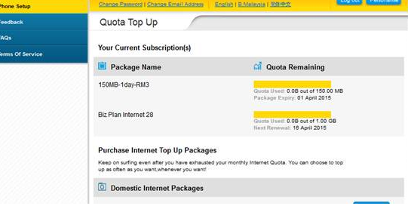 3.Existing frontend should remain same on Usage Info Page with following Info:- a)Internet Quota b)Usage this month c)Available Quota d)Last Updated on |  | PASSED
Postpaid Smartplan
PCCOCS_025 | For "Postpaid Smartplan" User Verify the following on Quota Top up Page: 1.Internet Top Up packages are grouped as: a. Internet Roaming Packages b. Domestic Internet Packages . | MSISDN number of "Postpaid Smartplan" User required, 0109235000 |  | 1.Login to OCS as a "Postpaid Smartplan" User 2.Click on Quota Top Up link 3.Check that Internet Top Up packages are grouped as: a. Internet Roaming Packages b. Domestic Internet Packages . | 3.For a "Postpaid Smartplan" user on Quota Top Up page,Purchase Internet Top Up packages should be grouped as: a. Internet Roaming Packages b. Domestic Internet Packages . | 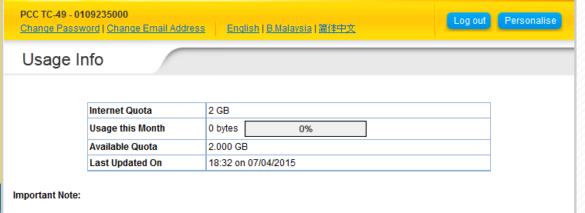 | PASSED
PCCOCS_026 | Verify on "Your Active Subscription(s)" section on Quota Top up page ,User would be able to view Query Base plan / QTU / SSQ3 (filter by customerAttribute). |  | User is already logged in Into OCS as a "Postpaid Smartplan" User | Repeat steps 1 and 2 from PCCOCS_025 1. Send SOAP request with MSISDN of "Postpaid Smartplan" User. 2. In the response received check "customerAttribute" for same MSISDN. 3. Check the "ResetDate" for Query Base plan and QTU and check that the Next Renewal Date and Package Expiry date is appearing on UI. | 2. Following customer attribute range should appear for Domestic and Roaming: a.For Domestic customerAttribute range is within 1000-9000. b. For Roaming, customerAttribute range is within 10000-12000. 3. Correct "Next Renewal Date" and "Package Expiry date" should appear on UI as per below Logic:- a. In response received: If ResetDate is not null then “Next Renewal Date: <ResetDate>” should appear on UI. b. In response received: If ResetDate is null then “Package Expiry: <EndDate>”. should appear on UI. | 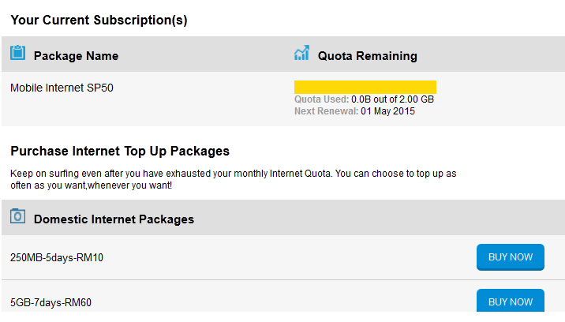 | PASSED
PCCOCS_027 | Verify on filtered QTU packages,User would be able to view Purchase QTU filtered by CatalogItemID. |  | User is already logged in Into OCS as a "Postpaid Smartplan" User | Repeat steps 1 and 2 from PCCOCS_025 1. Send SOAP request with MSISDN of"Postpaid Smartplan" User. 2. In the response received check the CatalogItemID" and check the respective QTU appearance in UI. | 2. QTU with following "CatalogItemID" should appear in "Domestic Internet Packages" group:- Prepaid: 83891, 14344 Postpaid: 19381, 19383, 14342 "Internet Roaming Packages" group:- Note:: ID's are not yet available from client side | 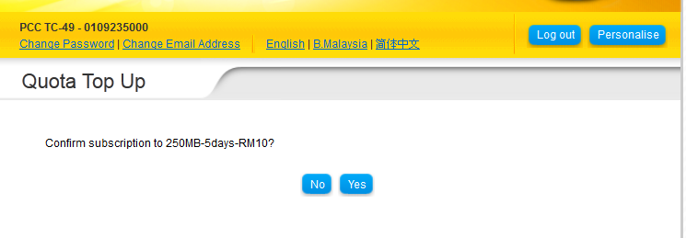 | PASSED
PCCOCS_028 | Verify that user is able to Buy Domestic QTU Package successfully from Quota Top UP page |  | User is already logged in Into OCS as a "Postpaid Smartplan" User | Repeat steps 1 and 2 from PCCOCS_025 1.Click on 'Buy Now' button for Internet Domestic Internet Package. 2.Check that customer is able to perform the Top up purchase for the selected package and Thank You Page appears after successful purchase. | 2.User should be able to purchase Domestic Internet Package from Quota Top UP page successfully and Thank you page should appear after purchase. |  | PASSED | 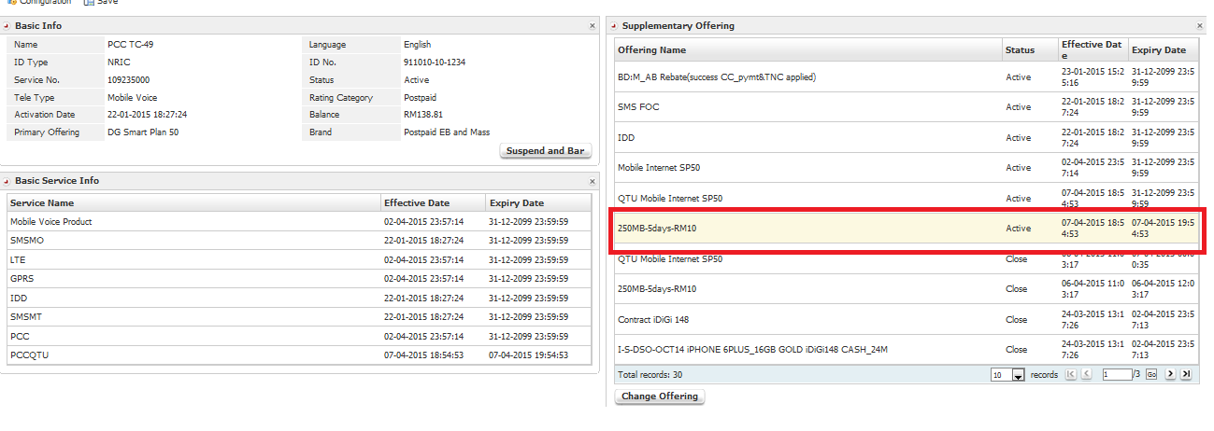
PCCOCS_029 | Verify that user is able to Buy Roaming QTU Package successfully from Quota Top UP page Note: to be test by Mid of March only |  | User is already logged in Into OCS as a "Postpaid Smartplan" User | Repeat steps 1 and 2 from PCCOCS_025 1.Click on 'Buy Now' button for Roaming QTU Package. 2.Check that customer is able to perform the Top up purchase for the selected package and Thank You Page appears after successful purchase. | 2.User should be able to purchase Roaming QTU Package from Quota Top UP page successfully and Thank you page should appear after purchase. |  | N/A | Not able to purchase it as it's not ready at PCC.
PCCOCS_030 | Verify that Internet Top Up Usage Information is appearing on Quota Top Up page with following info: a)Internet Plan Type (Postpaid Smartplan) b)Quota Remaining (Quota used,Next Renewal,Package Expiry) |  | User is already logged in Into OCS as a "Postpaid Smartplan" User | Repeat steps 1 & 2 from PCCOCS_025 1.Check the Internet Usage Information is appearing | 1.Internet usage Information should appear on Quota Top Up page as below:- a)Internet Plan type (Postpaid Smartplan) b)Quota Remaining (Quota used,Next Renewal,Package Expiry) |  | 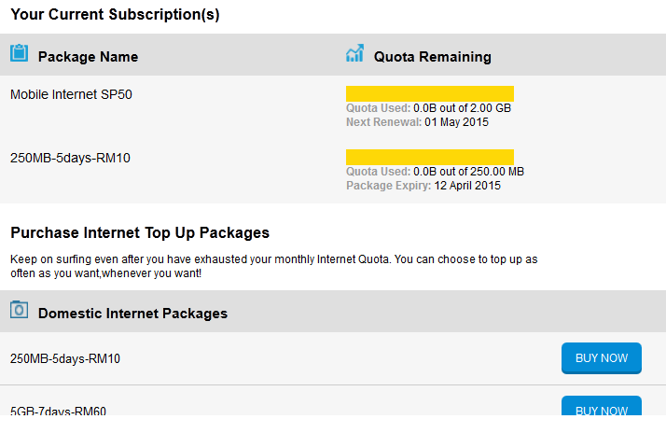 PASSED
PCCOCS_031 | Verify that existing frontend will remain same on Usage Info Page with following Info:- a)Internet Quota b)Usage this month c)Available Quota d)Last Updated on |  | User is already logged in Into OCS as a "Postpaid Smartplan" User | 1.Login to OCS 2.Click on Usage Info link 3.Check that existing frontend will remain same on Usage Info Page | 3.Existing frontend should remain same on Usage Info Page with following Info:- a)Internet Quota b)Usage this month c)Available Quota d)Last Updated on |  | PASSED
Postpaid Broadband
PCCOCS_032 | For "Postpaid Broadband" User Verify the following: 1.Internet Top Up packages are grouped as: a. Internet Roaming Packages b. Domestic Internet Packages . | MSISDN number of "Postpaid Broadband" User required, 0109235001 |  | 1.Login to OCS as a Postpaid Broadband User 2.Click on Quota Top Up link 3.Check that Internet Top Up packages are grouped as: a. Internet Roaming Packages b. Domestic Internet Packages . | 3.For a Postpaid Broadband user on Quota Top Up page,Purchase Internet Top Up packages should be grouped as: a. Internet Roaming Packages b. Domestic Internet Packages . |  | PASSED
PCCOCS_033 | Verify on "Your Active Subscription(s)" section on Quota Top up page ,User would be able to view Query Base plan / QTU / SSQ3 (filter by customerAttribute). |  | User is already logged in Into OCS as a "Postpaid Broadband" User | Repeat steps 1 and 2 from PCCOCS_032 1. Send SOAP request with MSISDN of Postpaid Broadband User. 2. In the response received check "customerAttribute" for same MSISDN. 3. Check the "ResetDate" for Query Base plan and QTU and check that the Next Renewal Date and Package Expiry date is appearing on UI. | 2. Following customer attribute range should appear for Domestic and Roaming: a.For Domestic customerAttribute range is within 1000-9000. b. For Roaming, customerAttribute range is within 10000-12000. 3. Correct "Next Renewal Date" and "Package Expiry date" should appear on UI as per below Logic:- a. In response received: If ResetDate is not null then “Next Renewal Date: <ResetDate>” should appear on UI. b. In response received: If ResetDate is null then “Package Expiry: <EndDate>”. should appear on UI. |  | PASSED
PCCOCS_034 | Verify on filtered QTU packages Prepaid User would be able to view Purchase QTU filtered by CatalogItemID. |  | User is already logged in Into OCS as a "Postpaid Broadband" User | Repeat steps 1 and 2 from PCCOCS_08 1. Send SOAP request with MSISDN of Postpaid Broadband User. 2. In the response received check the CatalogItemID" and check the respective QTU appearance in UI. | 2. QTU with following "CatalogItemID" should appear in "Domestic Internet Packages" group:- Prepaid: 83891, 14344 Postpaid: 19381, 19383, 14342 "Internet Roaming Packages" group:- Note:: ID's are not yet available from client side |  | PASSED
PCCOCS_035 | Verify that user is able to Buy Domestic QTU Package successfully from Quota Top UP page |  | User is already logged in Into OCS as a "Postpaid Broadband" User | Repeat steps 1 and 2 from PCCOCS_08 1.Click on 'Buy Now' button for Internet Domestic Internet Package. 2.Check that customer is able to perform the Top up purchase for the selected package and Thank You Page appears after successful purchase. | 2.User should be able to purchase Domestic Internet Package from Quota Top UP page successfully and Thank you page should appear after purchase. |  | PASSED
PCCOCS_036 | Verify that user is able to Buy Roaming QTU Package successfully from Quota Top UP page Note: to be test by Mid of March only |  | User is already logged in Into OCS as a "Postpaid Broadband" User | Repeat steps 1 and 2 from PCCOCS_08 1.Click on 'Buy Now' button for Roaming QTU Package. 2.Check that customer is able to perform the Top up purchase for the selected package and Thank You Page appears after successful purchase. | 2.User should be able to purchase Roaming QTU Package from Quota Top UP page successfully and Thank you page should appear after purchase. |  | N/A | Not able to purchase it as it's not ready at PCC.
PCCOCS_037 | Verify that Internet Top Up Usage Information is appearing on Quota Top Up page with following info: a)Internet Plan Type (Postpaid Broadband) b)Quota Remaining (Quota used,Next Renewal,Package Expiry) |  | User is already logged in Into OCS as a Postpaid Broadband user | Repeat steps 1 & 2 from PCCOCS_08 1.Check the Internet Usage Information is appearing | 1.Internet usage Information should appear on Quota Top Up page as below:- a)Internet Plan type (Postpaid Broadband) b)Quota Remaining (Quota used,Next Renewal,Package Expiry) |  | PASSED
PCCOCS_038 | Verify that existing frontend will remain same on Usage Info Page with following Info:- a)Internet Quota b)Usage this month c)Available Quota d)Last Updated on |  | User is already logged in Into OCS as a Postpaid Broadband user | 1.Login to OCS 2.Click on Usage Info link 3.Check that existing frontend will remain same on Usage Info Page | 3.Existing frontend should remain same on Usage Info Page with following Info:- a)Internet Quota b)Usage this month c)Available Quota d)Last Updated on |  | PASSED

PCC_MyInternet
Testcase ID | Summary | Test Data | Pre_Condition | Steps | Expected Result | Actual Result | Status | Remarks
Prepaid Broadband User
PCCMYINT_01 | For "Prepaid Broadband" User Verify the following: 1. "Internet TopUp Up packages" are not appearing on Quota Top Up page 2. Usage Information section is appearing on Quota Top Up page | MSISDN number of "Prepaid Broadband" User required, 01116206539 |  | http://wwwstg.digi.com.my/myinternet-acdc/index.html 1. Open firefox browser, change the embedded header, x-up-calling-line-id according to MSISDN. E.g. 01116206539 2.Click on Quota Top Up link 3.Check "Internet TopUp Up packages" are not appearing 4.Check that Usage Information section is not appearing | 3. Internet TopUp Up packages should not appear on Quota Top Up page 4. Usage Information section should appear on Quota Top Up page | 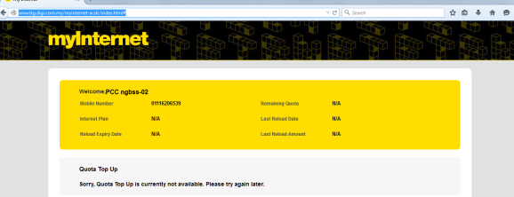 | PASSED
Prepaid Internet
PCCMYINT_02 | For "Prepaid Internet" User Verify the following: 1. "Internet TopUp Up packages" are not appearing on Quota Top Up page 2. Usage Information section is appearing on Quota Top Up page | MSISDN number of "Prepaid Internet" User required, 01116206526 |  | 1. Open firefox browser, change the embedded header, x-up-calling-line-id according to MSISDN. 2.Click on Quota Top Up link 3.Check "Internet TopUp Up packages" are not appearing 4.Check that Usage Information section is appearing | 3. Internet TopUp Up packages should not appear on Quota Top Up page 4. Usage Information section should appear on Quota Top Up page |  | PASSED
Prepaid Voice with any Internet Plan
PCCMYINT_03 | For "Prepaid Voice with any Internet Plan" User Verify the following on Quota Top Up page : 1.Internet Top Up packages are grouped as: a. Internet Roaming Packages b. Domestic Internet Packages . | MSISDN number of "Prepaid Voice with any Internet Plan" User required, 01116206501 |  | 1. Open firefox browser, change the embedded header, x-up-calling-line-id according to MSISDN. 2.Click on Quota Top Up link 3.Check that Internet Top Up packages are grouped as: a. Internet Roaming Packages b. Domestic Internet Packages . | 3.For a 'Prepaid Voice with any Internet Plan' user on Quota Top Up page,Purchase Internet Top Up packages should be grouped as: a. Internet Roaming Packages b. Domestic Internet Packages . |  | PASSED
PCCMYINT_04 | Verify on "Your Active Subscription(s)" section on Quota Top up page ,User would be able to view Query Base plan / QTU / SSQ3 (filter by customerAttribute) |  | User is already logged in Into OCS as a "Prepaid Voice with any Internet Plan" User | Repeat steps 1 and 2 from PCCMYINT_03 1. Send SOAP request with MSISDN of Voice with any Internet Plan. 2. In the response received check "customerAttribute" for same MSISDN. 3. Check the "ResetDate" for Query Base plan and QTU and check that the Next Renewal Date and Package Expiry date is appearing on UI. | 2. Following customer attribute range should appear for Domestic and Roaming: a.For Domestic customerAttribute range is within 1000-9000. b. For Roaming, customerAttribute range is within 10000-12000. 3. Correct "Next Renewal Date" and "Package Expiry date" should appear on UI as per below Logic:- a. In response received: If ResetDate is not null then “Next Renewal Date: <ResetDate>” should appear on UI. b. In response received: If ResetDate is null then “Package Expiry: <EndDate>”. should appear on UI. |  | PASSED
PCCMYINT_05 | Verify on filtered QTU packages,User would be able to view Purchase QTU filtered by CatalogItemID. |  | User is already logged in Into OCS as a "Prepaid Voice with any Internet Plan" User | Repeat steps 1 and 2 from PCCMYINT_03 1.Send SOAP request with MSISDN of Voice with any Internet Plan. 2. In the response received check the CatalogItemID" and check the respective QTU appearance in UI. | 2. QTU with following "CatalogItemID" should appear in "Domestic Internet Packages" group:- Prepaid: 83891, 14344 Postpaid: 19381, 19383, 14342 "Internet Roaming Packages" group:- Note:: ID's are not yet available from client side |  | PASSED
PCCMYINT_06 | Verify that user is able to Buy Domestic QTU Package successfully from Quota Top UP page |  | User is already logged in Into OCS as a "Prepaid Voice with any Internet Plan" User | Repeat steps 1 and 2 from PCCMYINT_03 1.Click on 'Buy Now' button for Internet Domestic Internet Package. 2.Check that customer is able to perform the Top up purchase for the selected package and Thank You Page appears after successful purchase. | 2.User should be able to purchase Domestic Internet Package from Quota Top UP page successfully and Thank you page should appear after purchase. |  | PASSED
PCCMYINT_07 | Verify that user is able to Buy Roaming QTU Package successfully from Quota Top UP page |  | User is already logged in Into OCS as a "Prepaid Voice with any Internet Plan" User | Repeat steps 1 and 2 from PCCMYINT_03 1.Click on 'Buy Now' button for Roaming QTU Package. 2.Check that customer is able to perform the Top up purchase for the selected package and Thank You Page appears after successful purchase. | 2.User should be able to purchase Roaming QTU Package from Quota Top UP page successfully and Thank you page should appear after purchase. |  | N/A | Not able to purchase it as it's not ready at PCC.
PCCMYINT_08 | Verify that Internet Top Up Usage Information is appearing on Quota Top Up page with following info: a)Internet Plan Type (Prepaid Voice with any Internet Plan) b)Quota Remaining (Quota used,Next Renewal,Package Expiry) |  | User is already logged in Into OCS as a "Prepaid Voice with any Internet Plan" User | Repeat steps 1 & 2 from PCCMYINT_03 1.Check the Internet Usage Information is appearing | 1.Internet usage Information should appear on Quota Top Up page as below:- a)Internet Plan type (Prepaid Voice with any Internet Plan) b)Quota Remaining (Quota used,Next Renewal,Package Expiry) |  | PASSED
PCCMYINT_09 | Verify that existing frontend will remain same on Usage Info Page with following Info:- a)Internet Quota b)Usage this month c)Available Quota d)Last Updated on |  | User is already logged in Into OCS as a "Prepaid Voice with any Internet Plan" User | 1. Open firefox browser, change the embedded header, x-up-calling-line-id according to MSISDN. 2.Click on Usage Info link 3.Check that existing frontend will remain same on Usage Info Page | 3.Existing frontend should remain same on Usage Info Page with following Info:- a)Internet Quota b)Usage this month c)Available Quota d)Last Updated on |  | PASSED
Voice with Internet
PCCMYINT_010 | For "Voice with Internet" User Verify the following on Quota Top up page: 1.Internet Top Up packages are grouped as: a. Internet Roaming Packages b. Domestic Internet Packages . | MSISDN number of "Voice with Internet" User required, 01116206502 |  | 1. Open firefox browser, change the embedded header, x-up-calling-line-id according to MSISDN. 2.Click on Quota Top Up link 3.Check that Internet Top Up packages are grouped as: a. Internet Roaming Packages b. Domestic Internet Packages . | 3.For a "Voice with Internet" user on Quota Top Up page,Purchase Internet Top Up packages should be grouped as: a. Internet Roaming Packages b. Domestic Internet Packages . | 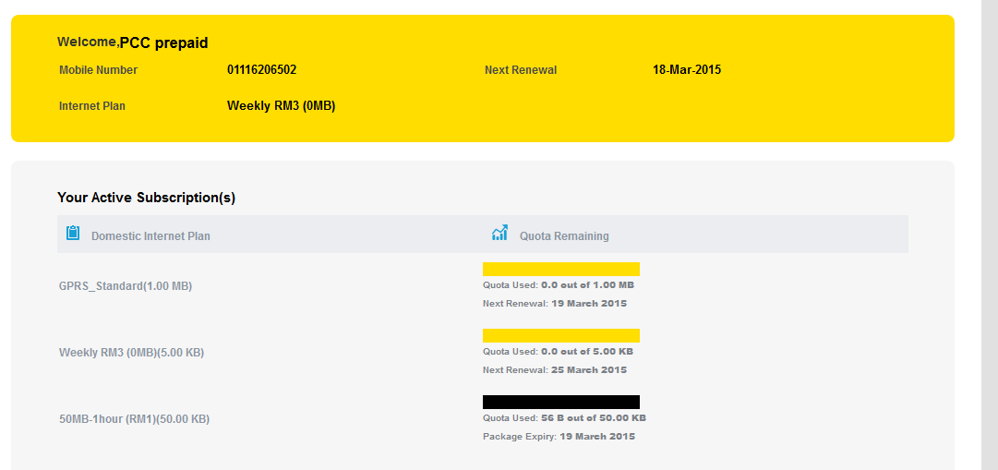 | PASSED
PCCMYINT_011 | Verify on "Your Active Subscription(s)" section on Quota Top up page ,User would be able to view Query Base plan / QTU / SSQ3 (filter by customerAttribute) |  | User is already logged in Into OCS as a "Voice with Internet" User | Repeat steps 1 and 2 from PCCMYINT_010 1. Send SOAP request with MSISDN of 'Voice with Internet user'. 2. In the response received check "customerAttribute" for same MSISDN. 3. Check the "ResetDate" for Query Base plan and QTU and check that the Next Renewal Date and Package Expiry date is appearing on UI. | 2. Following customer attribute range should appear for Domestic and Roaming: a.For Domestic customerAttribute range is within 1000-9000. b. For Roaming, customerAttribute range is within 10000-12000. 3. Correct "Next Renewal Date" and "Package Expiry date" should appear on UI as per below Logic:- a. In response received: If ResetDate is not null then “Next Renewal Date: <ResetDate>” should appear on UI. b. In response received: If ResetDate is null then “Package Expiry: <EndDate>”. should appear on UI. | 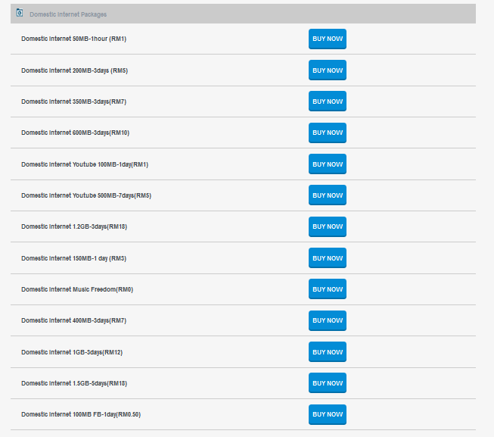 | PASSED
PCCMYINT_012 | Verify on filtered QTU packages,User would be able to view Purchase QTU filtered by CatalogItemID. |  | User is already logged in Into OCS as a "Voice with Internet" User | Repeat steps 1 and 2 from PCCMYINT_010 1. Send SOAP request with MSISDN of 'Voice with Internet user'. 2. In the response received check the CatalogItemID" and check the respective QTU appearance in UI. | 2. QTU with following "CatalogItemID" should appear in "Domestic Internet Packages" group:- Prepaid: 83891, 14344 Postpaid: 19381, 19383, 14342 "Internet Roaming Packages" group:- Note:: ID's are not yet available from client side | 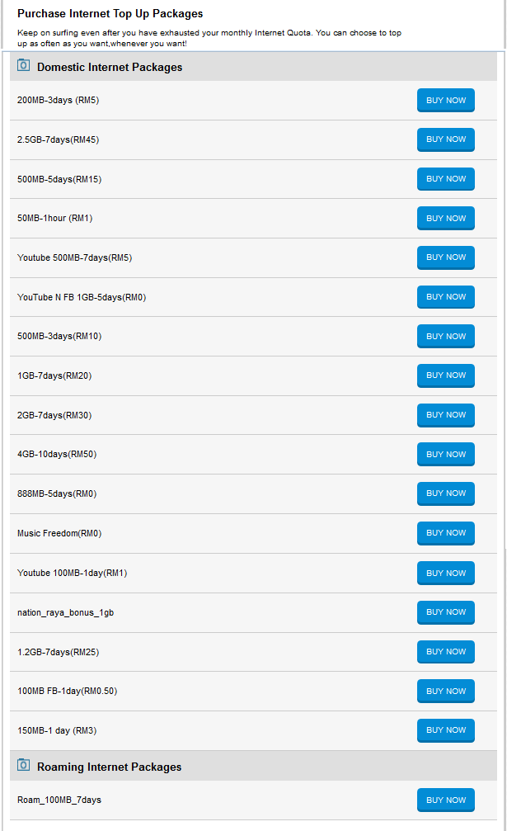 | PASSED
PCCMYINT_013 | Verify that user is able to Buy Domestic QTU Package successfully from Quota Top UP page |  | User is already logged in Into OCS as a "Voice with Internet" User | Repeat steps 1 and 2 from PCCMYINT_010 1.Click on 'Buy Now' button for Internet Domestic Internet Package. 2.Check that customer is able to perform the Top up purchase for the selected package and Thank You Page appears after successful purchase. | 2.User should be able to purchase Domestic Internet Package from Quota Top UP page successfully and Thank you page should appear after purchase. |  | 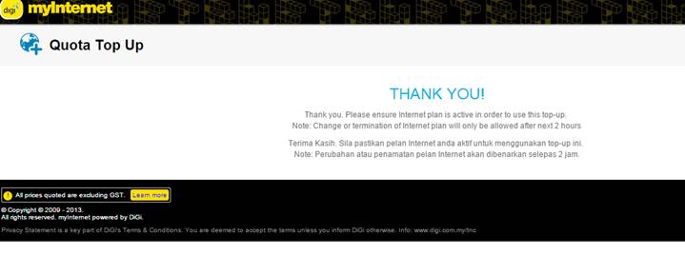 PASSED
PCCMYINT_014 | Verify that user is able to Buy Roaming QTU Package successfully from Quota Top UP page |  | User is already logged in Into OCS as a "Voice with Internet" User | Repeat steps 1 and 2 from PCCMYINT_010 1.Click on 'Buy Now' button for Roaming QTU Package. 2.Check that customer is able to perform the Top up purchase for the selected package and Thank You Page appears after successful purchase. | 2.User should be able to purchase Roaming QTU Package from Quota Top UP page successfully and Thank you page should appear after purchase. |  | N/A | Not able to purchase it as it's not ready at PCC.
PCCMYINT_015 | Verify that Internet Top Up Usage Information is appearing on Quota Top Up page with following info: a)Internet Plan Type (Voice with Internet) b)Quota Remaining (Quota used,Next Renewal,Package Expiry) |  | User is already logged in Into OCS as a "Voice with Internet" User | Repeat steps 1 & 2 from PCCMYINT_010 1.Check the Internet Usage Information is appearing | 1.Internet usage Information should appear on Quota Top Up page as below:- a)Internet Plan type (Voice with Internet) b)Quota Remaining (Quota used,Next Renewal,Package Expiry) |  | PASSED
PCCMYINT_016 | Verify that existing frontend will remain same on Usage Info Page with following Info:- a)Internet Quota b)Usage this month c)Available Quota d)Last Updated on |  | User is already logged in Into OCS as a "Voice with Internet" User | 1. Open firefox browser, change the embedded header, x-up-calling-line-id according to MSISDN. 2.Click on Usage Info link 3.Check that existing frontend will remain same on Usage Info Page | 3.Existing frontend should remain same on Usage Info Page with following Info:- a)Internet Quota b)Usage this month c)Available Quota d)Last Updated on |  | PASSED
PAYU
PCCMYINT_017 | For "Pay U" User Verify the following: 1. "Internet TopUp Up packages" are not appearing on Quota Top Up page 2. Usage Information section is not appearing on Quota Top Up page | MSISDN number of "Pay U" User required, 01116206503 |  | 1. Open firefox browser, change the embedded header, x-up-calling-line-id according to MSISDN. 2.Click on Quota Top Up link 3.Check "Internet TopUp Up packages" are not appearing 4.Check that Usage Information section is not appearing | 3. Internet TopUp Up packages should not appear on Quota Top Up page. 4. Usage Information section should not appear on Quota Top Up page. |  | PASSED
DIGI Best Prepaid
PCCMYINT_018 | For "DIGI Best Prepaid" User Verify the following on Quota top up page: 1.Internet Top Up packages are grouped as: a. Internet Roaming Packages b. Domestic Internet Packages . | MSISDN number of "DIGI Best Prepaid" User required, 01116206504 |  | 1. Open firefox browser, change the embedded header, x-up-calling-line-id according to MSISDN. 2.Click on Quota Top Up link 3.Check that Internet Top Up packages are grouped as: a. Internet Roaming Packages b. Domestic Internet Packages . | 3.For a "DIGI Best Prepaid"user on Quota Top Up page,Purchase Internet Top Up packages should be grouped as: a. Internet Roaming Packages b. Domestic Internet Packages . |  | PASSED
PCCMYINT_019 | Verify on "Your Active Subscription(s)" section on Quota Top up page ,User would be able to view Query Base plan / QTU / SSQ3 (filter by customerAttribute) |  | User is already logged in Into OCS as a "DIGI Best Prepaid" User | Repeat steps 1 and 2 from PCCMYINT_018 1. Send SOAP request with MSISDN of"DIGI Best Prepaid" User. 2. In the response received check "customerAttribute" for same MSISDN. 3. Check the "ResetDate" for Query Base plan and QTU and check that the Next Renewal Date and Package Expiry date is appearing on UI. | 2. Following customer attribute range should appear for Domestic and Roaming: a.For Domestic customerAttribute range is within 1000-9000. b. For Roaming, customerAttribute range is within 10000-12000. 3. Correct "Next Renewal Date" and "Package Expiry date" should appear on UI as per below Logic:- a. In response received: If ResetDate is not null then “Next Renewal Date: <ResetDate>” should appear on UI. b. In response received: If ResetDate is null then “Package Expiry: <EndDate>”. should appear on UI. |  | PASSED
PCCMYINT_020 | Verify on filtered QTU packages, User would be able to view Purchase QTU filtered by CatalogItemID. |  | User is already logged in Into OCS as a "DIGI Best Prepaid" User | Repeat steps 1 and 2 from PCCMYINT_018 1. Send SOAP request with MSISDN of "DIGI Best Prepaid" User. 2. In the response received check the CatalogItemID" and check the respective QTU appearance in UI. | 2. QTU with following "CatalogItemID" should appear in "Domestic Internet Packages" group:- Prepaid: 83891, 14344 Postpaid: 19381, 19383, 14342 "Internet Roaming Packages" group:- Note:: ID's are not yet available from client side |  | PASSED
PCCMYINT_021 | Verify that user is able to Buy Domestic QTU Package successfully from Quota Top UP page |  | User is already logged in Into OCS as a "DIGI Best Prepaid" User | Repeat steps 1 and 2 from PCCMYINT_018 1.Click on 'Buy Now' button for Internet Domestic Internet Package. 2.Check that customer is able to perform the Top up purchase for the selected package and Thank You Page appears after successful purchase. | 2.User should be able to purchase Domestic Internet Package from Quota Top UP page successfully and Thank you page should appear after purchase. |  | PASSED
PCCMYINT_022 | Verify that user is able to Buy Roaming QTU Package successfully from Quota Top UP page |  | User is already logged in Into OCS as a "DIGI Best Prepaid" User | Repeat steps 1 and 2 from PCCMYINT_018 1.Click on 'Buy Now' button for Roaming QTU Package. 2.Check that customer is able to perform the Top up purchase for the selected package and Thank You Page appears after successful purchase. | 2.User should be able to purchase Roaming QTU Package from Quota Top UP page successfully and Thank you page should appear after purchase. |  | N/A | Not able to purchase it as it's not ready at PCC.
PCCMYINT_023 | Verify that Internet Top Up Usage Information is appearing on Quota Top Up page with following info: a)Internet Plan Type (DIGI Best Prepaid) b)Quota Remaining (Quota used,Next Renewal,Package Expiry) |  | User is already logged in Into OCS as a "DIGI Best Prepaid" User | Repeat steps 1 & 2 from PCCMYINT_018 1.Check the Internet Usage Information is appearing | 1.Internet usage Information should appear on Quota Top Up page as below:- a)Internet Plan type (DIGI Best Prepaid) b)Quota Remaining (Quota used,Next Renewal,Package Expiry) |  | PASSED
PCCMYINT_024 | Verify that existing frontend will remain same on Usage Info Page with following Info:- a)Internet Quota b)Usage this month c)Available Quota d)Last Updated on |  | User is already logged in Into OCS as a "DIGI Best Prepaid" User | 1. Open firefox browser, change the embedded header, x-up-calling-line-id according to MSISDN. 2.Click on Usage Info link 3.Check that existing frontend will remain same on Usage Info Page | 3.Existing frontend should remain same on Usage Info Page with following Info:- a)Internet Quota b)Usage this month c)Available Quota d)Last Updated on |  | PASSED
Postpaid Smartplan
PCCMYINT_025 | For "Postpaid Smartplan" User Verify the following on Quota Top up Page: 1.Internet Top Up packages are grouped as: a. Internet Roaming Packages b. Domestic Internet Packages . | MSISDN number of "Postpaid Smartplan" User required, 0109235000 |  | 1. Open firefox browser, change the embedded header, x-up-calling-line-id according to MSISDN. 2.Click on Quota Top Up link 3.Check that Internet Top Up packages are grouped as: a. Internet Roaming Packages b. Domestic Internet Packages . | 3.For a "Postpaid Smartplan" user on Quota Top Up page,Purchase Internet Top Up packages should be grouped as: a. Internet Roaming Packages b. Domestic Internet Packages . |  | PASSED
PCCMYINT_026 | Verify on "Your Active Subscription(s)" section on Quota Top up page ,User would be able to view Query Base plan / QTU / SSQ3 (filter by customerAttribute). |  | User is already logged in Into OCS as a "Postpaid Smartplan" User | Repeat steps 1 and 2 from PCCMYINT_025 1. Send SOAP request with MSISDN of "Postpaid Smartplan" User. 2. In the response received check "customerAttribute" for same MSISDN. 3. Check the "ResetDate" for Query Base plan and QTU and check that the Next Renewal Date and Package Expiry date is appearing on UI. | 2. Following customer attribute range should appear for Domestic and Roaming: a.For Domestic customerAttribute range is within 1000-9000. b. For Roaming, customerAttribute range is within 10000-12000. 3. Correct "Next Renewal Date" and "Package Expiry date" should appear on UI as per below Logic:- a. In response received: If ResetDate is not null then “Next Renewal Date: <ResetDate>” should appear on UI. b. In response received: If ResetDate is null then “Package Expiry: <EndDate>”. should appear on UI. |  | PASSED
PCCMYINT_027 | Verify on filtered QTU packages,User would be able to view Purchase QTU filtered by CatalogItemID. |  | User is already logged in Into OCS as a "Postpaid Smartplan" User | Repeat steps 1 and 2 from PCCMYINT_025 1. Send SOAP request with MSISDN of"Postpaid Smartplan" User. 2. In the response received check the CatalogItemID" and check the respective QTU appearance in UI. | 2. QTU with following "CatalogItemID" should appear in "Domestic Internet Packages" group:- Prepaid: 83891, 14344 Postpaid: 19381, 19383, 14342 "Internet Roaming Packages" group:- Note:: ID's are not yet available from client side |  | PASSED
PCCMYINT_028 | Verify that user is able to Buy Domestic QTU Package successfully from Quota Top UP page |  | User is already logged in Into OCS as a "Postpaid Smartplan" User | Repeat steps 1 and 2 from PCCMYINT_025 1.Click on 'Buy Now' button for Internet Domestic Internet Package. 2.Check that customer is able to perform the Top up purchase for the selected package and Thank You Page appears after successful purchase. | 2.User should be able to purchase Domestic Internet Package from Quota Top UP page successfully and Thank you page should appear after purchase. |  | PASSED
PCCMYINT_029 | Verify that user is able to Buy Roaming QTU Package successfully from Quota Top UP page Note: to be test by Mid of March only |  | User is already logged in Into OCS as a "Postpaid Smartplan" User | Repeat steps 1 and 2 from PCCMYINT_025 1.Click on 'Buy Now' button for Roaming QTU Package. 2.Check that customer is able to perform the Top up purchase for the selected package and Thank You Page appears after successful purchase. | 2.User should be able to purchase Roaming QTU Package from Quota Top UP page successfully and Thank you page should appear after purchase. |  | PASSED
PCCMYINT_030 | Verify that Internet Top Up Usage Information is appearing on Quota Top Up page with following info: a)Internet Plan Type (Postpaid Smartplan) b)Quota Remaining (Quota used,Next Renewal,Package Expiry) |  | User is already logged in Into OCS as a "Postpaid Smartplan" User | Repeat steps 1 & 2 from PCCMYINT_025 1.Check the Internet Usage Information is appearing | 1.Internet usage Information should appear on Quota Top Up page as below:- a)Internet Plan type (Postpaid Smartplan) b)Quota Remaining (Quota used,Next Renewal,Package Expiry) |  | PASSED
PCCMYINT_031 | Verify that existing frontend will remain same on Usage Info Page with following Info:- a)Internet Quota b)Usage this month c)Available Quota d)Last Updated on |  | User is already logged in Into OCS as a "Postpaid Smartplan" User | 1. Open firefox browser, change the embedded header, x-up-calling-line-id according to MSISDN. 2.Click on Usage Info link 3.Check that existing frontend will remain same on Usage Info Page | 3.Existing frontend should remain same on Usage Info Page with following Info:- a)Internet Quota b)Usage this month c)Available Quota d)Last Updated on |  | PASSED
Postpaid Broadband
PCCMYINT_032 | For "Postpaid Broadband" User Verify the following: 1.Internet Top Up packages are grouped as: a. Internet Roaming Packages b. Domestic Internet Packages . | MSISDN number of "Postpaid Broadband" User required, 0109235001 |  | 1. Open firefox browser, change the embedded header, x-up-calling-line-id according to MSISDN. E.g. 0109235001 2.Click on Quota Top Up link 3.Check that Internet Top Up packages are grouped as: a. Internet Roaming Packages b. Domestic Internet Packages . | 3.For a Postpaid Broadband user on Quota Top Up page,Purchase Internet Top Up packages should be grouped as: a. Internet Roaming Packages b. Domestic Internet Packages . |  | PASSED
PCCMYINT_033 | Verify on "Your Active Subscription(s)" section on Quota Top up page ,User would be able to view Query Base plan / QTU / SSQ3 (filter by customerAttribute). |  | User is already logged in Into OCS as a "Postpaid Broadband" User | Repeat steps 1 and 2 from PCCMYINT_032 1. Send SOAP request with MSISDN of Postpaid Broadband User. 2. In the response received check "customerAttribute" for same MSISDN. 3. Check the "ResetDate" for Query Base plan and QTU and check that the Next Renewal Date and Package Expiry date is appearing on UI. | 2. Following customer attribute range should appear for Domestic and Roaming: a.For Domestic customerAttribute range is within 1000-9000. b. For Roaming, customerAttribute range is within 10000-12000. 3. Correct "Next Renewal Date" and "Package Expiry date" should appear on UI as per below Logic:- a. In response received: If ResetDate is not null then “Next Renewal Date: <ResetDate>” should appear on UI. b. In response received: If ResetDate is null then “Package Expiry: <EndDate>”. should appear on UI. |  | PASSED
PCCMYINT_034 | Verify on filtered QTU packages Prepaid User would be able to view Purchase QTU filtered by CatalogItemID. |  | User is already logged in Into OCS as a "Postpaid Broadband" User | Repeat steps 1 and 2 from PCCMYINT_08 1. Send SOAP request with MSISDN of Postpaid Broadband User. 2. In the response received check the CatalogItemID" and check the respective QTU appearance in UI. | 2. QTU with following "CatalogItemID" should appear in "Domestic Internet Packages" group:- Prepaid: 83891, 14344 Postpaid: 19381, 19383, 14342 "Internet Roaming Packages" group:- Note:: ID's are not yet available from client side |  | PASSED
PCCMYINT_035 | Verify that user is able to Buy Domestic QTU Package successfully from Quota Top UP page |  | User is already logged in Into OCS as a "Postpaid Broadband" User | Repeat steps 1 and 2 from PCCMYINT_08 1.Click on 'Buy Now' button for Internet Domestic Internet Package. 2.Check that customer is able to perform the Top up purchase for the selected package and Thank You Page appears after successful purchase. | 2.User should be able to purchase Domestic Internet Package from Quota Top UP page successfully and Thank you page should appear after purchase. |  | PASSED
PCCMYINT_036 | Verify that user is able to Buy Roaming QTU Package successfully from Quota Top UP page Note: to be test by Mid of March only |  | User is already logged in Into OCS as a "Postpaid Broadband" User | Repeat steps 1 and 2 from PCCMYINT_08 1.Click on 'Buy Now' button for Roaming QTU Package. 2.Check that customer is able to perform the Top up purchase for the selected package and Thank You Page appears after successful purchase. | 2.User should be able to purchase Roaming QTU Package from Quota Top UP page successfully and Thank you page should appear after purchase. |  | N/A | Not able to purchase it as it's not ready at PCC.
PCCMYINT_037 | Verify that Internet Top Up Usage Information is appearing on Quota Top Up page with following info: a)Internet Plan Type (Postpaid Broadband) b)Quota Remaining (Quota used,Next Renewal,Package Expiry) |  | User is already logged in Into OCS as a Postpaid Broadband user | Repeat steps 1 & 2 from PCCMYINT_08 1.Check the Internet Usage Information is appearing | 1.Internet usage Information should appear on Quota Top Up page as below:- a)Internet Plan type (Postpaid Broadband) b)Quota Remaining (Quota used,Next Renewal,Package Expiry) |  | PASSED
PCCMYINT_038 | Verify that existing frontend will remain same on Usage Info Page with following Info:- a)Internet Quota b)Usage this month c)Available Quota d)Last Updated on |  | User is already logged in Into OCS as a Postpaid Broadband user | 1. Open firefox browser, change the embedded header, x-up-calling-line-id according to MSISDN. 2.Click on Usage Info link 3.Check that existing frontend will remain same on Usage Info Page | 3.Existing frontend should remain same on Usage Info Page with following Info:- a)Internet Quota b)Usage this month c)Available Quota d)Last Updated on |  | PASSED

